Sheet1
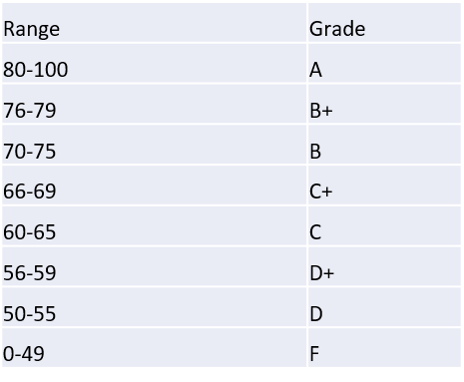
ID | Assn1 | Assn2 | Assn3 | Assn4 | FinalExam | Total | FinalGrade | Score | Grade
6531001 | 100 | 100 | 90 | 0 | 44 | 59.96 | D+ | 0 | F
6531002 | 80 | 100 | 100 | 0 | 31.5 | 53.06 | D | 50 | D
6531003 | 100 | 100 | 100 | 96 | 71 | 86.68 | A | 56 | D+
6531004 | 95 | 100 | 100 | 100 | 61 | 82.14 | A | 60 | C
6531005 | 100 | 100 | 100 | 95 | 85 | 92.7 | A | 66 | C+
6531006 | 95 | 90 | 60 | 67 | 52 | 66.56 | C+ | 70 | B
6531007 | 65 | 100 | 100 | 97 | 60 | 77.08 | B+ | 76 | B+
6531008 | 100 | 96 | 75 | 98 | 42 | 70.14 | B | 80 | A
6531009 | 98 | 90 | 100 | 91 | 21 | 62.3 | C
6531010 | 90 | 0 | 78 | 0 | 13 | 29.24 | F

